Simple Instruction
 | Year | GFW

 |  | Premium | Guarentee Cash Payment |  | % | REINVEST
 |  |  |  |  |  | Net Crediting Rate
 |  |  |  |  |  | 4 | %
Premium Term | 1 | 80,000 | 13,600 |  | 17 | 0

 | 2 | 80,000 | 13,600 |  | 17 | 27,744

 | 3 | 80,000 | 13,600 |  | 17 | 42,454

 | 4 | 80,000 | 13,600 |  | 17 | 57,752

 | 5 | 80,000 | 13,600 |  | 17 | 73,662

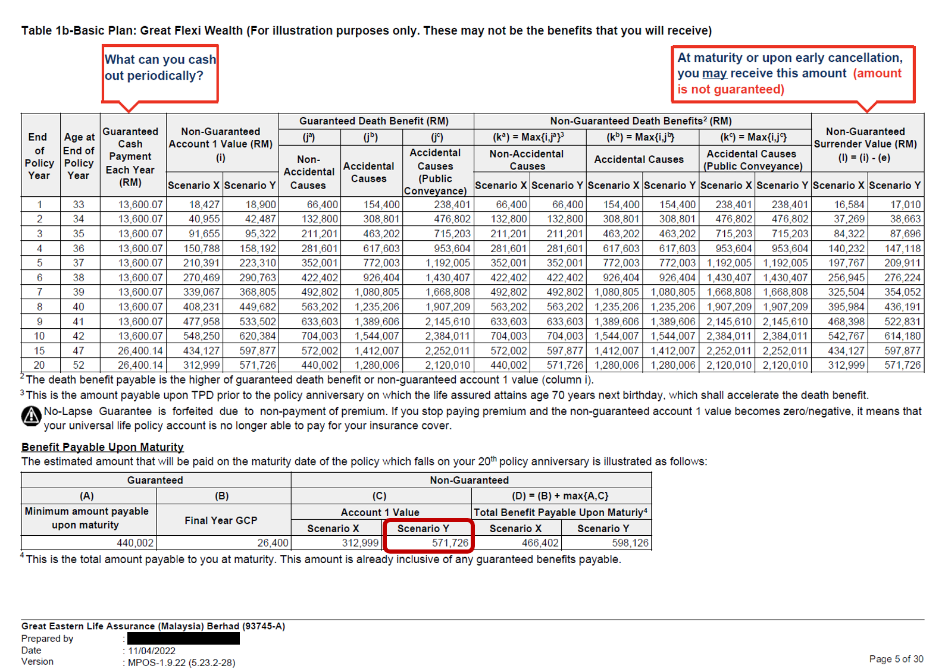
 | 6 | 80,000 | 13,600 |  | 17 | 90,208

 | 7 | 80,000 | 13,600 |  | 17 | 107,417

 | 8 | 80,000 | 13,600 |  | 17 | 125,313

 | 9 | 80,000 | 13,600 |  | 17 | 143,926

 | 10 | 80,000 | 13,600 |  | 17 | 163,283

 | 11 | 800,000 | 26,400 |  | 33 | 196,214

 | 12 |  | 26,400 |  | 33 | 230,463

 | 13 |  | 26,400 |  | 33 | 266,081

 | 14 |  | 26,400 |  | 33 | 303,125

 | 15 |  | 26,400 |  | 33 | 341,650

 | 16 |  | 26,400 |  | 33 | 381,716

 | 17 |  | 26,400 |  | 33 | 423,384

 | 18 |  | 26,400 |  | 33 | 466,720

 | 19 |  | 26,400 |  | 33 | 511,788

 | 20 |  | 26,400 |  | 33 | 558,660

 |  |  | 400,000 |  | 500

 |  | Estimate Maturity |  |  |  | 571,726

 |  |  | 971,726 |  |  | 1,130,386

 | FUND STRATEGY
 | Asset Class |  |  | Asset Allocation
 | Equities |  |  | Up to 30%
 | Fixed Income |  |  | Up to 85%
 | 1. Maximum 85% of the fund to invest in fixed Income securities.
 | 2. Maximum 30% of the fund to invest in domestic equities and foreign equities (up to 10%)
 | in Hong Kong, China and Singapore depending on market conditions for diversification
 | and to optimise total returns.

